Аркуш1
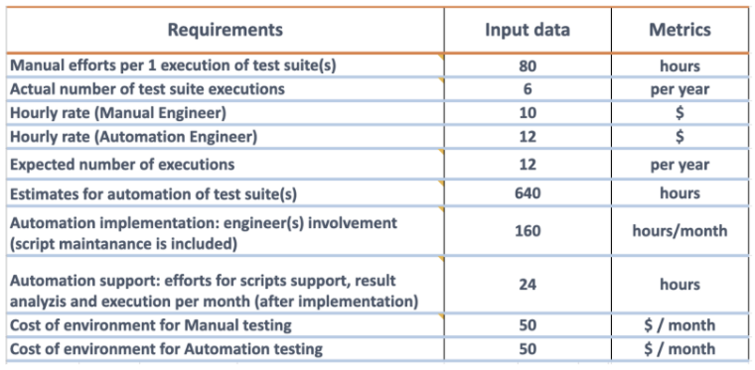

 |  |  |  | 80
 |  |  |  | 6
 |  |  |  | 10
 |  |  |  | 12
 |  |  |  | 12
 |  |  |  | 640
 |  |  |  | 160

 |  |  |  | 24

 |  |  |  | 50
 |  |  |  | 50

month | manual h | automation h | manual cost | automation cost | budget m | budget a | diff | ROI %
1 | 40 | 160 | 850 | 1970 | 850 | 1970 | -1120 | 0.4314720812
2 | 40 | 160 | 850 | 1970 | 1700 | 3940 | -2240 | 0.4314720812
3 | 40 | 160 | 850 | 1970 | 2550 | 5910 | -3360 | 0.4314720812
4 | 40 | 160 | 850 | 1970 | 3400 | 7880 | -4480 | 0.4314720812
5 | 40 | 24 | 850 | 338 | 4250 | 8218 | -3968 | 0.5171574592
6 | 40 | 24 | 850 | 338 | 5100 | 8556 | -3456 | 0.5960729313
7 | 40 | 24 | 850 | 338 | 5950 | 8894 | -2944 | 0.6689903306
8 | 40 | 24 | 850 | 338 | 6800 | 9232 | -2432 | 0.7365684575
9 | 40 | 24 | 850 | 338 | 7650 | 9570 | -1920 | 0.7993730408
10 | 40 | 24 | 850 | 338 | 8500 | 9908 | -1408 | 0.857892612

